WRoom Pinout
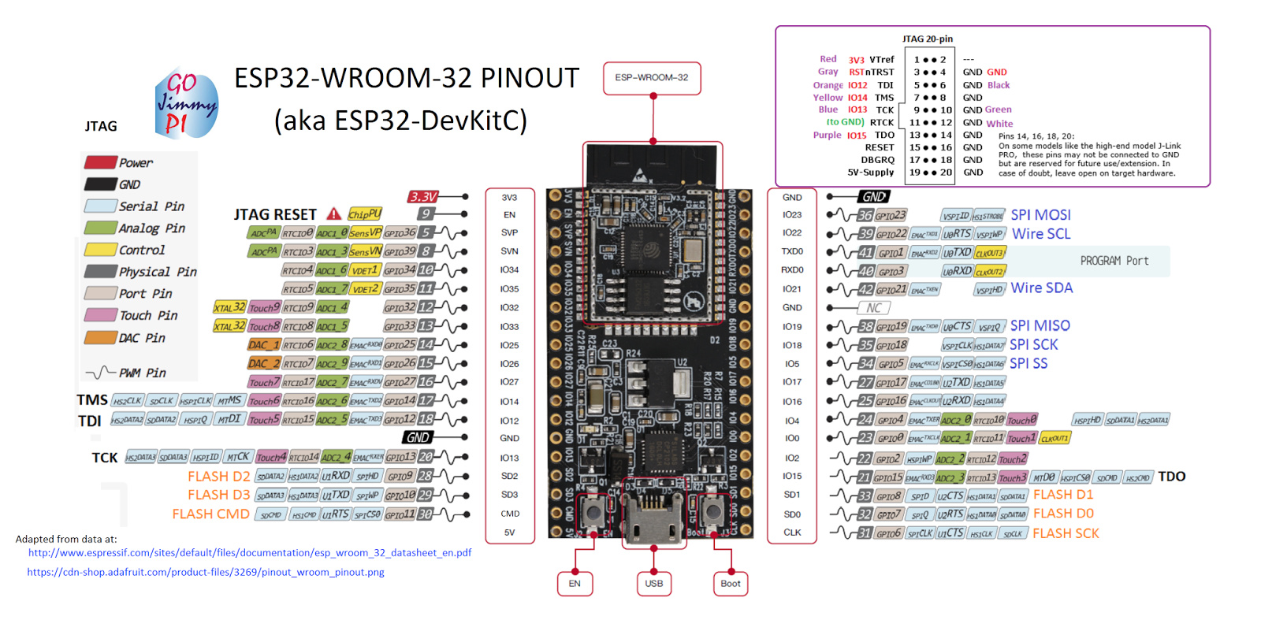

Geekworm Pinout
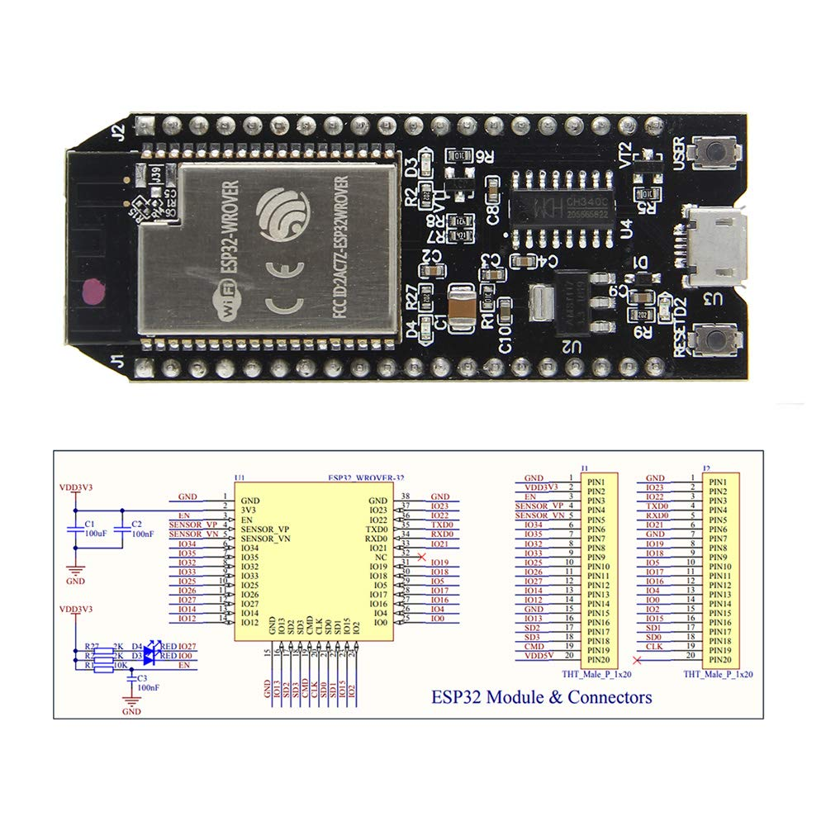

Heltec Pinout
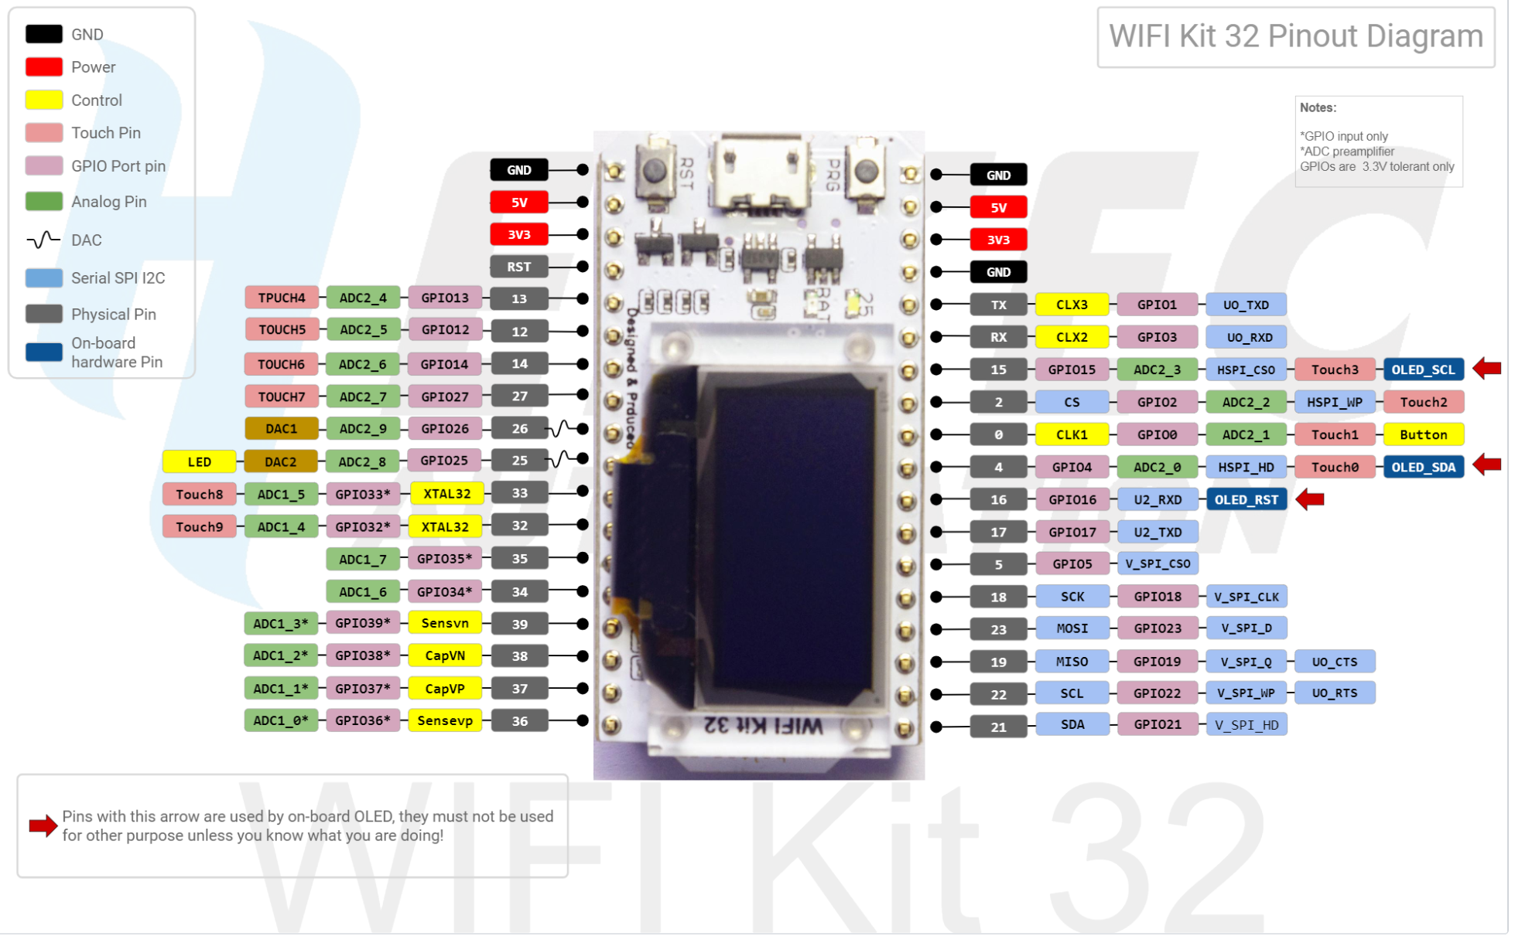

IOMUX pins for SPI controllers are as below:
Pin Name | HSPI | VSPI
 | GPIO Number
CS0* | 15 | 5
SCLK | 14 | 18
MISO | 12 | 19
MOSI | 13 | 23

Peripheral pinouts
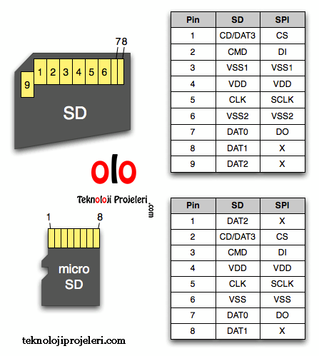
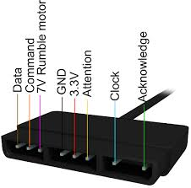
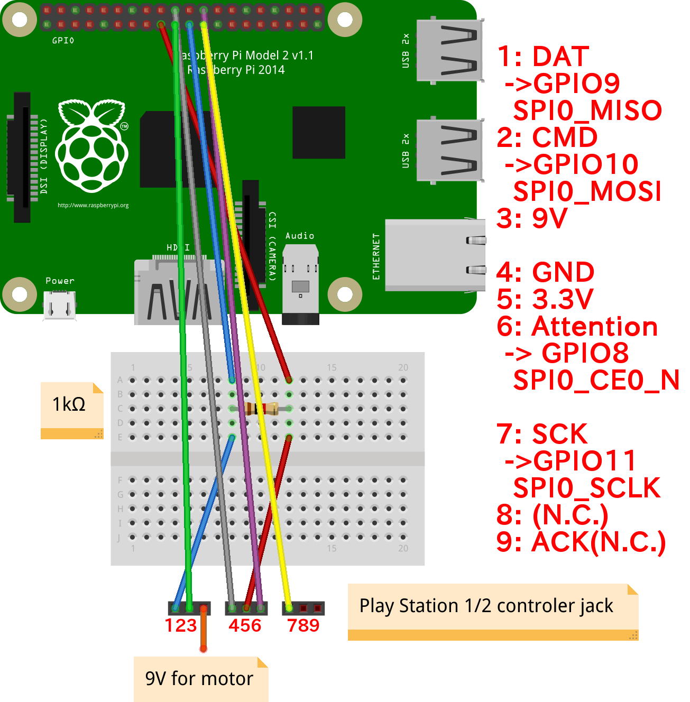
IOMUX pins for SPI controllers are as below:
Pin Name | HSPI | VSPI
 | GPIO Number
CS0* | 15 | 5
SCLK | 14 | 18
MISO | 12 | 19
MOSI | 13 | 23
QUADWP | 2 | 22
QUADHD | 4 | 21

